믹스커피100T
Product proposal (Surtax excluded)
Product code
Product name | Mixed coffee 100T | Release date | 2017
Company | Feliz Group Co., Ltd. | Country of origin | Republic of Korea

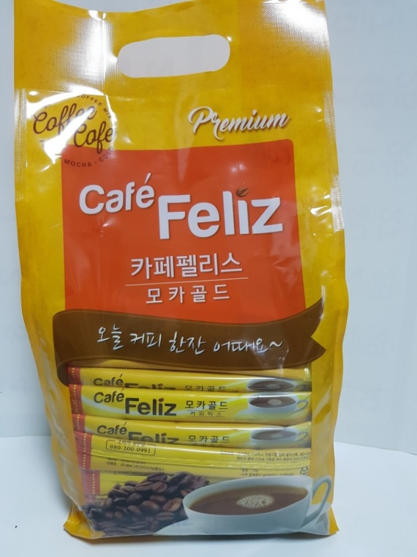

Model name | Mixed coffee 100T
Principal constituent | Mocha Gold |  |  | ㅎ
Specification | 100T | Amount obtained in a box | 10 packs/box
Expiration date | 2 years | Certification
Consumer price |  | Consumer price in China
Supply price | US$10.10/PACK | Supply price rate | #VALUE!
MOQ | 20 boxes | Resistration of trademark in China
General outline of product | Coffee expert selects world-class brand name beans and uses the special coffee product machine designed with state-of-the-art technology. In particular, Colombian beans are blended by golden ratio and found a roasting point under the optimum conditions of the beans. Café Feliz Mocha Gold is anytime, anywhere well-loved delicious coffee which has the sweetness and the deep taste of the coffee.
Remark | 6,000PACKS/40' CONTAINER
이 문서에 포함된 모든 정보는 보안을 유지하여야 하는 정보로서 법적으로 보호받습니다. This document may contain confidential and/or legally privileged information

